Sheet1
Signal Processing Validation
<30% inaccuracy
Column1 | Successfully Pulled Data | Confirm Data Accuracy | Output Correct Magnitude | Output Correct Frequency
Test #1 | PASS | PASS | PASS | PASS
Test #2 | PASS | PASS | PASS | PASS
Test #3 | PASS | PASS | PASS | PASS
Test #4 | PASS | PASS | PASS | PASS
Test #5 | PASS | PASS | PASS | PASS

SDR Sharp:
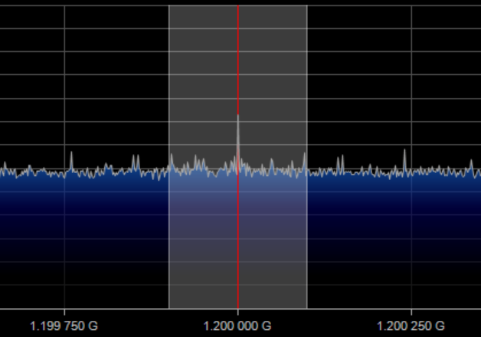

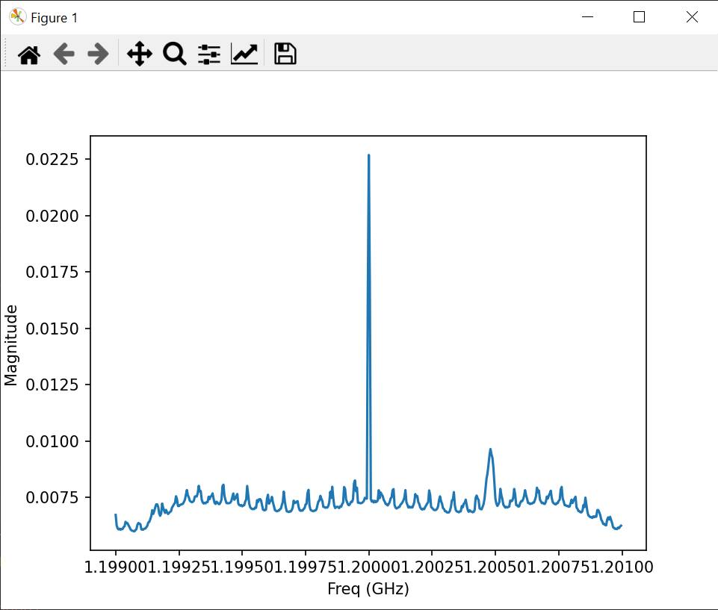
Test #1:
Magnitude: 0.02269
Frequency: 1200 MHz

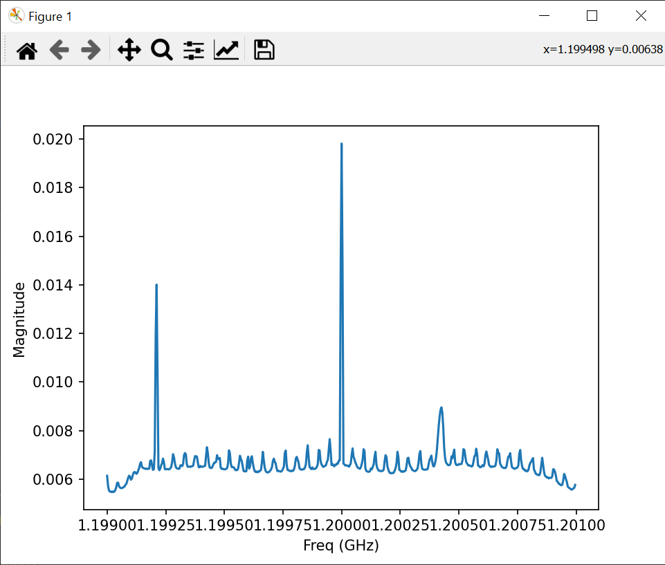
Test #2:
Magnitude: 0.01981
Frequency: 1200 MHz

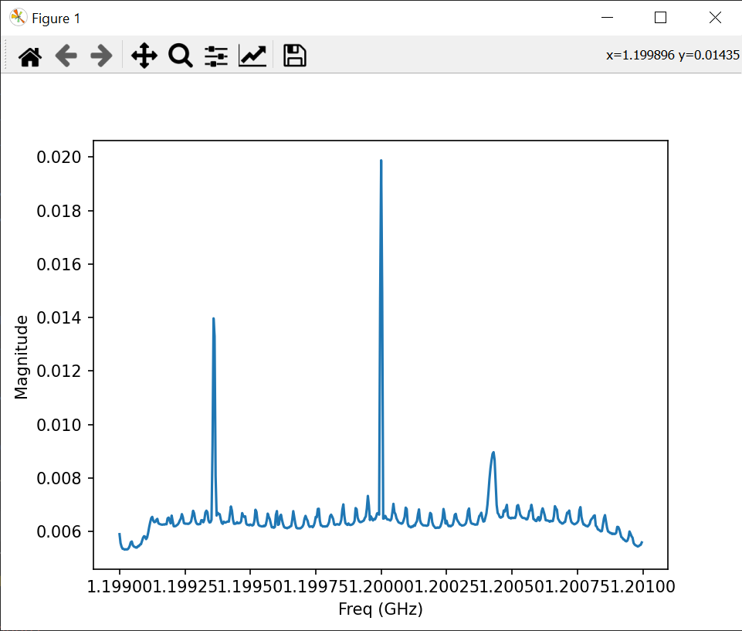
Test #3:
Magnitude: 0.01988
Frequency: 1200 MHz

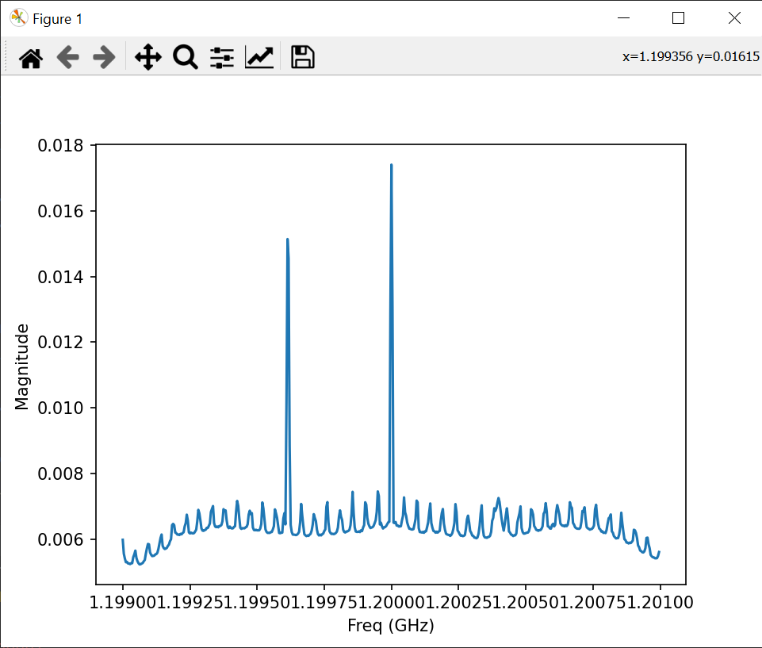
Test #4:
Magnitude: 0.01740
Frequency: 1200 MHz

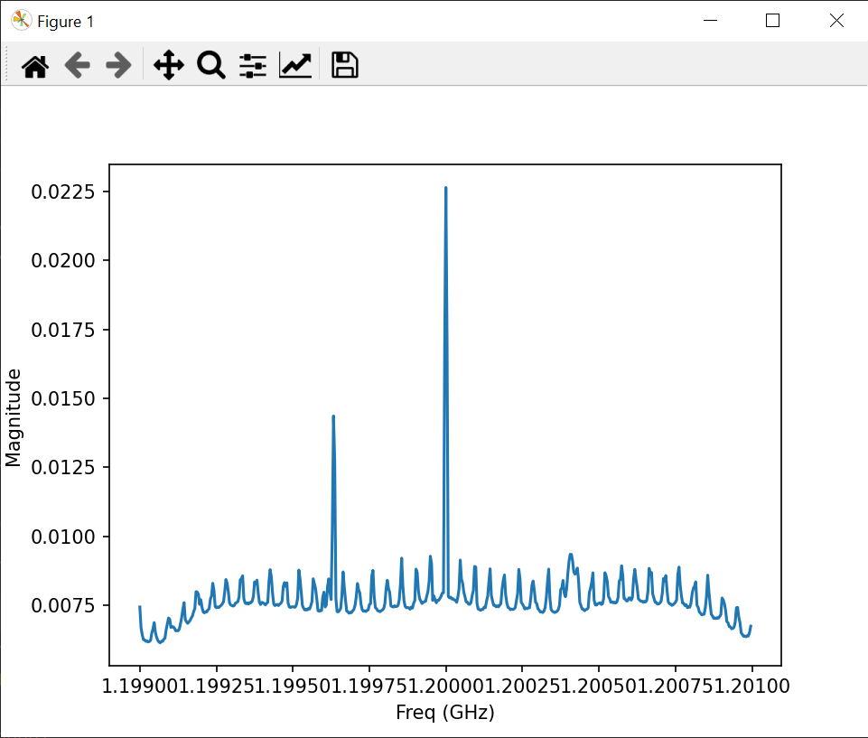
Test #5:
Magnitude: 0.02264
Frequency: 1200 MHz

